MELI
KPIs
1) | Gross merchandise volume
 | Number of confirmed registered users at end of period
 | Number of successful items sold
 | Number of successful items shipped
 | Total payment volume
 | Total volume of payments on marketplace
 | Total payment transactions
 | Unique buyers (total buyers)
 | Unique sellers (total sellers)

 | http://investor.mercadolibre.com/financial-information/quarterly-results

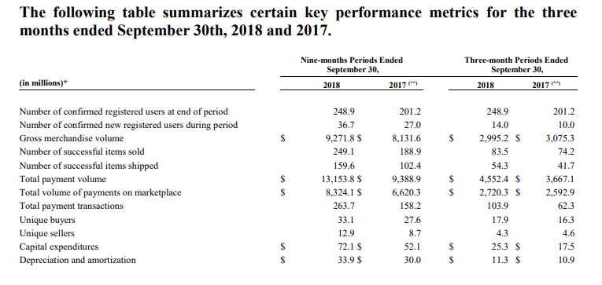

2) | Segment by region (Revenue & Direct contribution/Loss)
 | Brazi
 | Argentina
 | Mexico
 | Other Countries

3) | Segment by products and services (Revenue)
 | Enhanced Marketplace
 | Non-marketplace

 | Step 1
 | http://investor.mercadolibre.com/financial-information/annual-reports
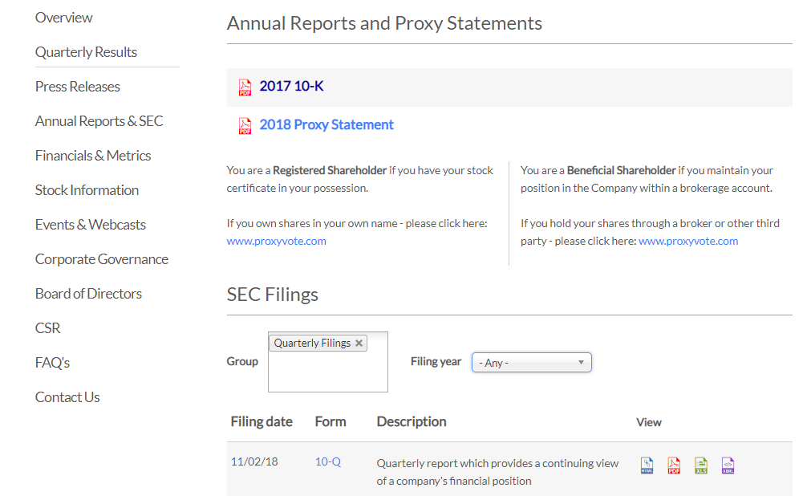

 | Step 2

SFLY
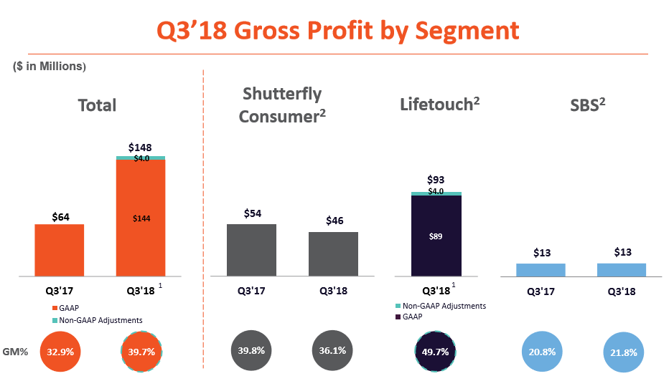
KPIs
1) | Total Customers
 | Total Number of Orders
 | Average order value (AOV)
 | http://ir.shutterfly.com/investor-relations

2) | Segment by Operation (Revenues, Gross Profit, Margin, Margin %)
 | Shutterfly Consumer
 | Lifetouch
 | Shutterfly Business Solutions
 | http://ir.shutterfly.com/investor-relations
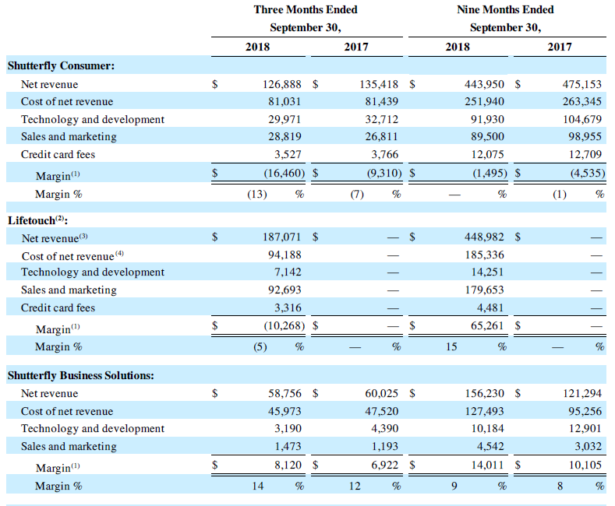

3) | Segment by Operation (Gross Profit, Gross Profit Margin %)
 | Shutterfly Consumer
 | Lifetouch
 | Shutterfly Business Solutions

